potentials
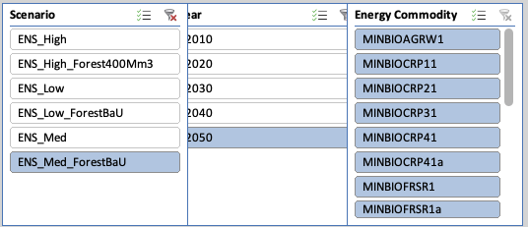

Sum of Value | Column Labels
Row Labels | AL | AT | BA | BE | BG | CH | CY | CZ | DE | DK | EE | EL | ES | FI | FR | HR | HU | IE | IS | IT | LT | LU | LV | ME | MK | MT | NL | NO | PL | PT | RO | RS | SE | SI | SK | UK | Grand Total | PJ\a
MINBIOAGRW1 | 1.7 | 23.3 | 3.1 | 7.1 | 25.6 | 3.8 | 0.4 | 35.5 | 195.1 | 22.0 | 6.1 | 20.8 | 89.4 | 17.9 | 190.8 | 7.5 | 46.7 | 0.2 | 0.0 | 60.8 | 17.8 | 0.4 | 6.9 | 0.1 | 1.7 | 0.0 | 6.2 | 4.9 | 71.3 | 7.5 | 61.8 | 32.0 | 17.1 | 0.9 | 12.8 | 64.7 | 1064.2
MINBIOCRP11 | 0.0 | 2.0 | 0.0 | 5.6 | 9.7 | 0.0 | 0.0 | 3.0 | 8.3 | 1.7 | 14.1 | 6.9 | 33.2 | 1.3 | 26.6 | 41.3 | 22.4 | 0.2 | 0.0 | 16.2 | 12.4 | 0.4 | 7.7 | 0.0 | 0.0 | 0.0 | 1.0 | 0.0 | 18.5 | 0.1 | 26.7 | 0.0 | 0.5 | 0.1 | 2.7 | 22.3 | 284.8
MINBIOCRP21 | 0.0 | 14.3 | 0.0 | 36.4 | 11.7 | 0.0 | 0.0 | 34.4 | 43.5 | 2.7 | 0.0 | 21.8 | 170.0 | 0.0 | 231.9 | 0.0 | 17.0 | 0.0 | 0.0 | 130.3 | 41.6 | 0.0 | 0.0 | 0.0 | 0.0 | 0.0 | 14.4 | 0.0 | 133.0 | 0.5 | 9.4 | 0.0 | 5.4 | 0.0 | 8.8 | 68.0 | 995.1
MINBIOCRP31 | 28.6 | 10.4 | 63.6 | 3.0 | 52.1 | 0.0 | 0.6 | 28.2 | 158.1 | 0.0 | 1.9 | 15.2 | 267.5 | 20.5 | 226.0 | 0.0 | 96.5 | 4.8 | 0.0 | 122.9 | 12.9 | 0.0 | 2.1 | 2.5 | 17.9 | 0.0 | 17.1 | 4.3 | 179.3 | 19.1 | 239.7 | 30.2 | 10.4 | 1.9 | 2.9 | 27.6 | 1667.7
MINBIOCRP41 | 0.0 | 1.8 | 0.0 | 0.7 | 6.5 | 0.0 | 0.0 | 10.3 | 20.2 | 0.0 | 1.2 | 0.0 | 0.0 | 7.4 | 29.9 | 0.0 | 19.6 | 2.6 | 0.0 | 0.0 | 7.6 | 0.0 | 1.7 | 0.0 | 0.0 | 0.0 | 1.8 | 4.0 | 76.6 | 0.0 | 60.8 | 0.0 | 4.0 | 0.0 | 1.4 | 27.8 | 285.9
MINBIOCRP41a | 6.2 | 0.0 | 13.8 | 0.0 | 0.0 | 0.0 | 0.3 | 0.0 | 0.0 | 0.0 | 0.0 | 4.4 | 54.3 | 0.0 | 3.1 | 0.0 | 0.0 | 0.0 | 0.0 | 10.8 | 0.0 | 0.0 | 0.0 | 0.5 | 3.9 | 0.0 | 0.0 | 0.0 | 0.0 | 4.9 | 0.0 | 6.6 | 0.0 | 0.1 | 0.0 | 0.0 | 109.0
MINBIOFRSR1 | 0.0 | 0.0 | 0.0 | 0.0 | 0.0 | 0.0 | 0.0 | 0.0 | 0.0 | 0.0 | 0.0 | 0.0 | 0.0 | 0.0 | 0.0 | 0.0 | 0.0 | 0.0 | 0.0 | 0.0 | 0.0 | 0.0 | 0.0 | 0.0 | 0.0 | 0.0 | 0.0 | 0.0 | 0.0 | 0.0 | 0.0 | 0.0 | 0.0 | 0.0 | 0.0 | 0.0 | 0.0
MINBIOFRSR1a | 2.5 | 3.0 | 4.6 | 5.7 | 3.6 | 1.5 | 0.0 | 7.1 | 13.4 | 3.0 | 0.0 | 6.2 | 25.4 | 8.6 | 51.0 | 2.0 | 5.8 | 4.4 | 0.0 | 13.7 | 3.9 | 0.1 | 3.6 | 0.0 | 0.0 | 0.0 | 2.6 | 25.4 | 19.9 | 5.6 | 20.9 | 7.9 | 28.6 | 0.7 | 3.0 | 14.5 | 298.2
MINBIOGAS1 | 1.8 | 4.8 | 1.6 | 38.7 | 5.7 | 4.5 | 4.5 | 42.1 | 105.6 | 43.3 | 8.3 | 7.7 | 109.7 | 4.0 | 258.4 | 3.3 | 63.7 | 18.4 | 0.0 | 115.6 | 16.9 | 1.5 | 8.5 | 0.2 | 0.8 | 0.4 | 48.8 | 4.9 | 94.4 | 23.6 | 21.1 | 10.5 | 17.5 | 1.5 | 12.4 | 161.8 | 1266.2
MINBIOMUN1 | 0.0 | 10.5 | 0.0 | 53.8 | 3.8 | 31.9 | 2.7 | 4.0 | 131.7 | 28.6 | 3.6 | 3.4 | 38.1 | 17.0 | 113.5 | 0.1 | 12.1 | 2.6 | 1.2 | 42.8 | 1.7 | 0.2 | 0.9 | 0.0 | 1.3 | 5.4 | 67.9 | 33.4 | 33.0 | 17.6 | 10.2 | 21.3 | 34.7 | 1.2 | 5.1 | 23.8 | 758.9
MINBIORPS1 | 0.0 | 2.7 | 0.0 | 0.1 | 23.2 | 0.0 | 0.0 | 2.9 | 93.7 | 0.0 | 0.0 | 0.0 | 0.7 | 0.2 | 57.4 | 0.0 | 2.9 | 0.5 | 0.0 | 0.1 | 0.7 | 0.0 | 0.3 | 0.0 | 0.0 | 0.0 | 0.0 | 0.0 | 7.8 | 0.0 | 14.5 | 0.0 | 1.4 | 0.1 | 1.2 | 9.0 | 219.3
MINBIOSLU1 | 1.0 | 4.2 | 0.0 | 19.5 | 0.0 | 2.2 | 0.0 | 0.7 | 11.2 | 0.4 | 0.0 | 0.7 | 2.1 | 4.1 | 0.0 | 0.1 | 0.4 | 0.0 | 0.1 | 0.4 | 0.0 | 0.0 | 0.0 | 0.0 | 0.0 | 0.0 | 0.5 | 1.1 | 1.4 | 0.9 | 0.0 | 0.0 | 2.4 | 0.1 | 0.0 | 0.2 | 53.6
MINBIOWOO |  | 33.9 |  | 6.4 | 10.9 | 14.1 | 0.0 | 10.7 | 93.1 | 6.4 | 11.2 | 5.2 | 22.3 | 36.8 | 176.5 | 9.4 | 18.9 | 0.8 | 0.0 | 58.2 | 13.8 | 0.2 | 20.1 |  |  | 0.0 | 1.7 |  | 23.0 | 14.5 | 29.8 |  | 48.9 | 11.8 | 3.5 | 8.1 | 690.2
MINBIOWOOa | 0.0 | 0.0 | 0.0 | 0.0 | 0.0 | 0.0 | 0.0 | 0.0 | 0.0 | 0.0 | 0.0 | 0.0 | 0.0 | 0.0 | 0.0 | 0.0 | 0.0 | 0.0 | 0.0 | 0.0 | 0.0 | 0.0 | 0.0 | 0.0 | 0.0 | 0.0 | 0.0 | 0.0 | 0.0 | 0.0 | 0.0 | 0.0 | 0.0 | 0.0 | 0.0 | 0.0 | 0.0
MINBIOWOOW1 | 1.6 | 11.2 | 4.4 | 5.2 | 0.4 | 8.8 | 0.0 | 0.1 | 25.3 | 0.1 | 1.1 | 0.1 | 2.2 | 0.4 | 9.0 | 0.3 | 0.0 | 0.3 | 0.0 | 3.4 | 0.1 | 0.5 | 1.6 | 0.0 | 0.0 | 0.0 | 0.5 | 15.7 | 3.6 | 5.8 | 8.4 | 10.4 | 9.4 | 0.0 | 0.1 | 0.5 | 130.4
MINBIOWOOW1a | 1.3 | 9.0 | 3.5 | 0.5 | 1.0 | 9.9 | 0.0 | 1.5 | 16.7 | 0.4 | 5.8 | 0.3 | 4.9 | 5.5 | 15.4 | 0.7 | 0.1 | 0.0 | 0.0 | 2.3 | 1.4 | 0.4 | 12.0 | 0.0 | 0.0 | 0.0 | 0.3 | 17.6 | 9.3 | 0.7 | 4.2 | 8.3 | 26.9 | 0.3 | 1.2 | 3.8 | 164.8
MINBIOLIQ1 |  | 1.6 |  |  | 5.4 |  |  | 0.3 |  |  |  | 3.3 | 2.6 |  | 7.7 |  | 7.2 |  |  | 2.6 |  |  |  |  |  |  | 0.0 |  | 0.2 | 0.4 | 7.1 |  |  |  | 0.1 |  | 38.4
Grand Total | 44.8 | 132.6 | 94.6 | 182.9 | 159.4 | 76.7 | 8.4 | 180.9 | 915.9 | 108.5 | 53.3 | 96.0 | 822.3 | 123.7 | 1397.2 | 64.6 | 313.2 | 34.6 | 1.3 | 580.0 | 130.7 | 3.8 | 65.2 | 3.4 | 25.7 | 5.8 | 162.8 | 111.3 | 671.3 | 100.9 | 514.6 | 127.2 | 207.2 | 18.7 | 55.0 | 432.0 | 8026.7

scenarios
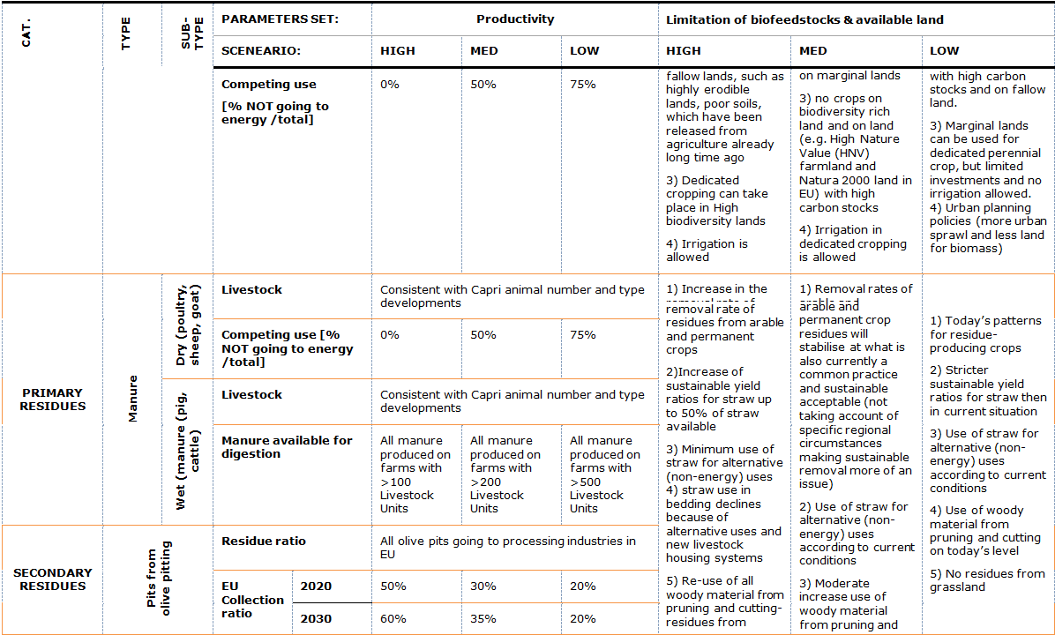
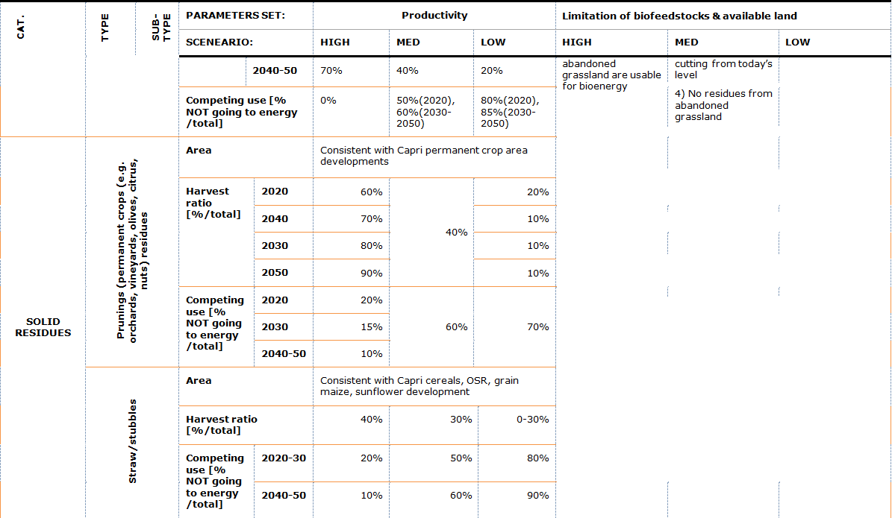
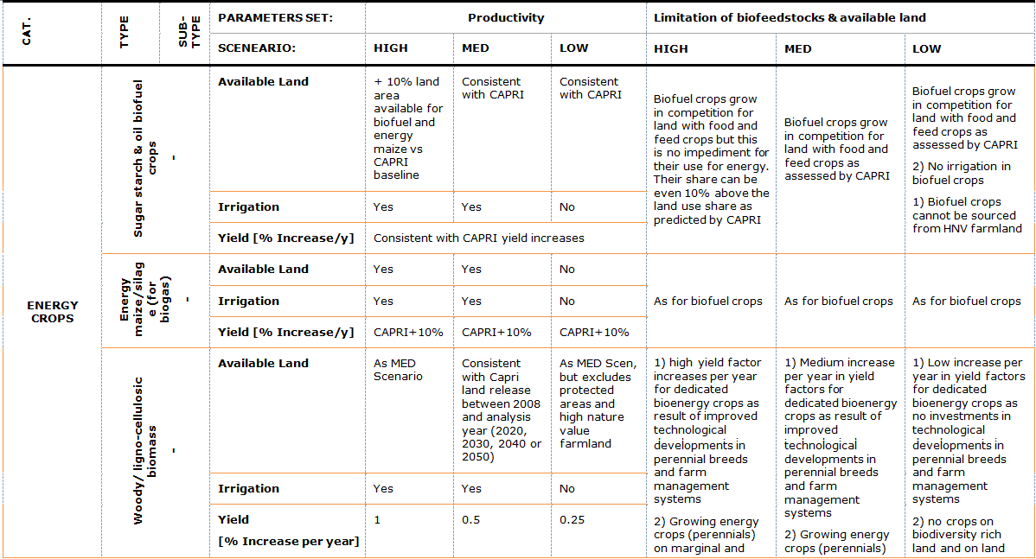
NOTE:
NUTS0 = NATIONAL LEVEL
NUTS2 = REGIONAL LEVEL

green biorefining
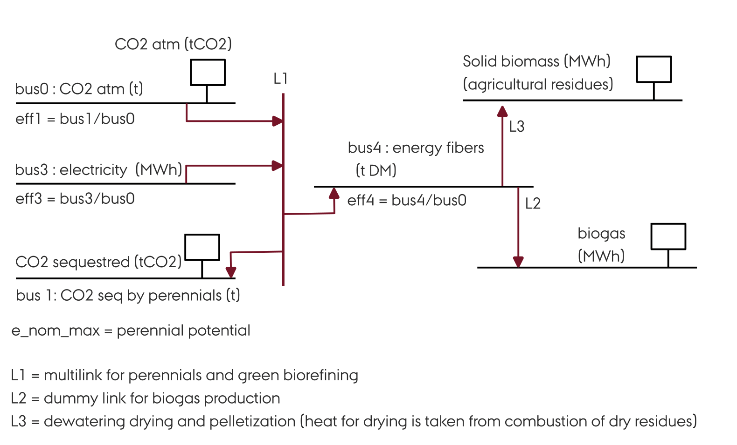
DATA
ref : https://doi.org/10.1016/B978-0-323-95879-0.50147-8
https://doi.org/10.1016/j.scitotenv.2023.167943

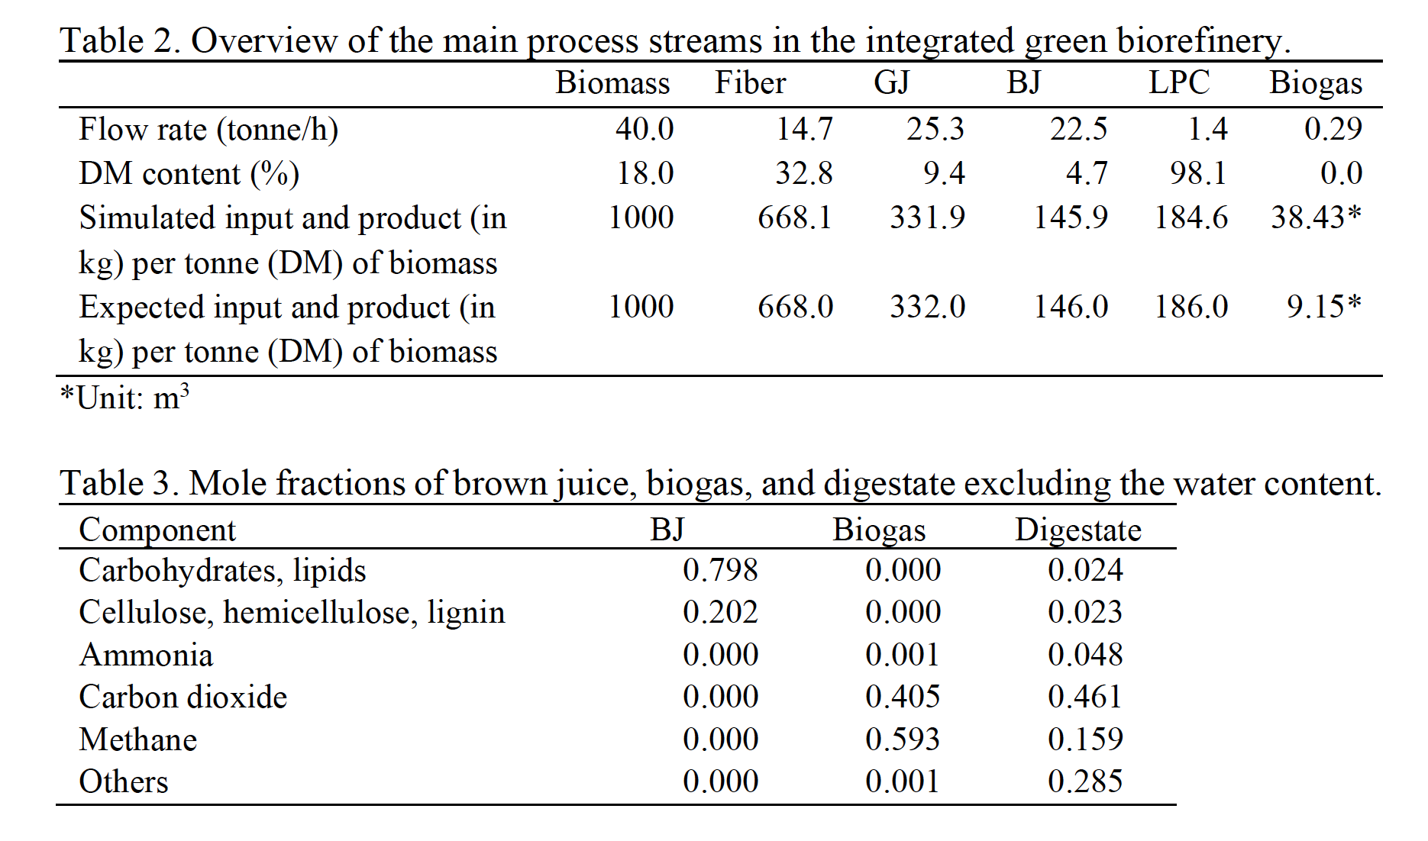

Complete scheme

